Scatter chart
Create Scatter Chart with Proper formatting
Should be formatted as shown in picture

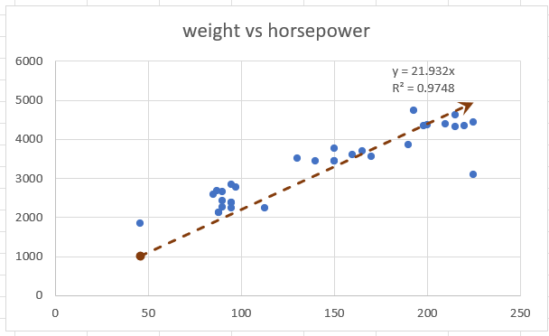
weight vs horsepower
horsepower | weight
130 | 3504
165 | 3693
150 | 3436
150 | 3433
140 | 3449
198 | 4341
220 | 4354
215 | 4312
225 | 4425
190 | 3850
170 | 3563
160 | 3609
150 | 3761
225 | 3086
95 | 2372
95 | 2833
97 | 2774
85 | 2587
88 | 2130
46 | 1835
87 | 2672
90 | 2430
95 | 2375
113 | 2234
90 | 2648
215 | 4615
200 | 4376
210 | 4382
193 | 4732
88 | 2130
90 | 2264
95 | 2228

